Welcome
Please Use The Tabs At The Bottom Of This Sheet To Find Our "Commonly Used" Import Fields, A "Complete Sheet Of Importable Fields" And Our "Field Descriptions" | For your own copy, please click on file at the top left of the page and click on “Make a Copy” or “Download”
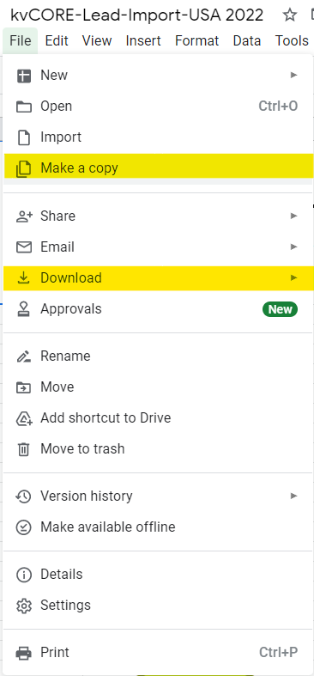

All Fields with Descriptions
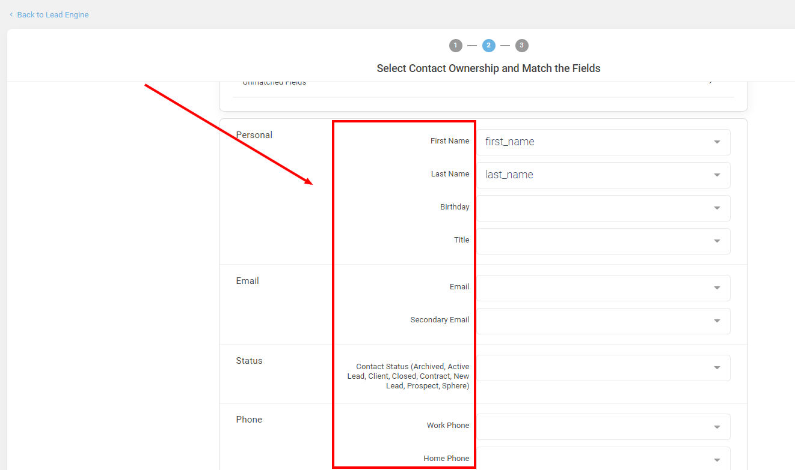
FIELDS: | DESCRIPTION: | TIPS: | Descriptions Details | Notes/Comments
First Name
Last Name
Title | Mr, Mrs, Ms, Mx, Dr, Ect. |  | Can be anything usually Mr, Mrs, Ms, Mx, Dr, ect. | Will show up in address labels if " Include titles " is toggled on
Birthday | mm/dd/yyyy | *Can trigger birthday emails and text if enabled-for more details: https://help.insiderealestate.com/en/articles/3709524-kvcore-how-to-automate-emails-and-texts-for-birthdays-and-purchase-anniversaries | Each date must be in a MM/DD/YYY format | *Can trigger emails and text if enabled-for more details: https://help.insiderealestate.com/en/articles/3709524-kvcore-how-to-automate-emails-and-texts-for-birthdays-and-purchase-anniversaries
Email
Second Email
Status | Sphere Prospect New Lead Active Lead Client Contract Closed Archived |  | Can only be these status
Work Phone |  |  | only supports 10 digit phone numbers | Possible formats: x (xxx) xxx-xxxx (xxx) xxx-xxxx xxxxxxxxxx xxx-xxx-xxxx
Home Phone |  |  | only supports 10 digit phone numbers | Possible formats: x (xxx) xxx-xxxx (xxx) xxx-xxxx xxxxxxxxxx xxx-xxx-xxxx
Cell Phone 1 |  | Main phone that will be texted and called | only supports 10 digit phone numbers | Possible formats: x (xxx) xxx-xxxx (xxx) xxx-xxxx xxxxxxxxxx xxx-xxx-xxxx
Cell Phone 2 |  |  | only supports 10 digit phone numbers | Possible formats: x (xxx) xxx-xxxx (xxx) xxx-xxxx xxxxxxxxxx xxx-xxx-xxxx
Primary Address |  |  | This would be a lead's Mailing Address | This address will be the one use to create mailing labels
Primary City |  |  | This would be a lead's Mailing City
Primary State |  |  | This would be a lead's Mailing State
Primary Zip |  |  | This would be a lead's Mailing Zip
Secondary Address
Secondary City
Secondary State
Secondary Zip
Language Preferance |  |  | Buyer, Seller, Renter, Agent, and/or Vendor | Can be any combination of these options. Must be separated by a |
Deal Type | Buyer,Seller, Renter, Agent, and/or Vendor |  |  | shows up in profile details-Not for search alerts
Price Range |  |  | Each date must be in a MM/DD/YYY format
Last Closing Date | mm/dd/yyyy | *Can trigger home anniversay emails and text if enabled-for more details: https://help.insiderealestate.com/en/articles/3709524-kvcore-how-to-automate-emails-and-texts-for-birthdays-and-purchase-anniversaries | This field may affect your leads' ability to receive email from Smart Campaigns, Behavioral Alerts, or Mass Emails.
Opt in Email | True or False |  | This field may affect whether or not the system is able to schedule calls for your lead.
Phone on | True or False |  | If you want certain leads to be subscribed/not subscribed to receive Smart Campaign's text messages or Mass Texts, match your file's 'Text Subscribed' column (or similar) to this field. Please note that each field must contain either TRUE or FALSE
Text On | True or False |  |  | This will only be for indivual texts. Please note that SMS opt-in will be for individual texts only. Please see our updated mass texting policies.
Hashtags |  |  | If you have mulitple hashtags in this column, make sure they are pipe-delimited: | with no spaces Hashtags are an efficient way to organize your leads and filter for them in your Smart CRM
Agent Notes |  |  | If you have additional columns in your file that do not map to our specific fields, you can map them to this additional Notes field - click the blue + icon to add more Notes fields and map more columns
Note
Spouse Title | Mr, Mrs, Ms, Mx, Dr, Ect.
Spouse First Name
Spouse Last Name
Spouse Email
Spouse Phone |  |  | only supports 10 digit phone numbers | Possible formats: x (xxx) xxx-xxxx (xxx) xxx-xxxx xxxxxxxxxx xxx-xxx-xxxx
Spouse Birthday
Showing Date | mm/dd/yyyy |  | Will show up as a note in the timeline
Showing MLS |  |  | Will show up as a note in the timeline
Showing Notes |  |  | Will show up as a note in the timeline
Lender | Add your prefered lender to the lead |  | Must be lenders email | If your file contains leads that need to show in a lender's CRM, that lender must already exist in your kvCORE account in order for the lead(s) to be assigned to them
min_sqft
max_sqft
min_acres
max_acres
min_year
max_year
price
type | If you have mulitple property types in this column, make sure they are pipe-delimited: | with no spaces The property types MUST match the format/spelling of the options available in your MLS. To determine the types available, please look at the list at the bottom of your Website Settings |  |  | "rentals" needs to be plural. Another one is that "multi family" should have a space. Here is the list of all the values we match..... except that case should be lower 'Single Family', 2 => 'Condos', 3 => 'Multi-Family', 4 => 'Commercial', 5 => 'Land', 6 => 'Rentals', 7 => 'Cross Property', 8 => 'Mobile Home', 9 => 'Business Op', 10 => 'Duplex', 11 => 'Apartment', 12 => 'Farm', 13 => 'Newly Built', 14 => 'Adult 55+', 15 => 'Income', 16 => 'Auction', 17 => 'Com Lease', 18 => 'Lot-Land', 19 => 'Attached', 20 => 'Manufactured', 21 => 'Season Rental', 22 => 'Foreclosure', 23 => 'Condo Master', 24 => 'Income', 25 => 'Commercial', 26 => 'Commercial', 27 => 'Hotel', 28 => 'Fractional', 29 => 'Boatslips', 30 => 'Villa', 31 => 'Townhouse', 32 => 'Res Lease', 33 => 'Boat Dock', 34 => 'Timeshare', 35 => 'Attach Single', 36 => 'Auction', 37 => 'Com Land', 38 => 'High Rise', 39 => 'Industrial', 40 => 'Lease', 41 => 'Farm&Ranch', 42 => 'Partial Ownership', 43 => 'Co-Operative', “Acreage', 4 'Parking Space', 'Cabin', 'Investment', 48 => 'Land Lease', 49 => 'Live Work', 50 => 'Mixed Use', 51 => 'Two Family', 52 => 'Leasehold', 53 => 'Half Duplex', 54 => 'Patio', 55 => 'Pending', 56 => 'Contingent', 57 => 'Coming Soon', 58 => 'Sold', 59 => 'Backup'
type_id | type_id
beds | beds
baths | baths
areas | areas for alerts |  | Search alert formatting for area column Can be any area supported by MLS Can be multiple locations If multiple areas separate with a " | " Format can be as follows County:San Diego|San Diego|92121|Zip:90210|Highschool:San Diego High | Area format: City:City Name - No spaces City|County|zip - A pipe as a separator Valid Are formats Zip City name County Name zip:01010 City:Name County:Name Check with MLS, but accepted by Kvcore: Neighborhood Highschool Neighborhood: Highschool: Format can be as follows City:San Diego| San Diego|92121|Zip:90210|Highschool:San Diego High
min_sqft_2
max_sqft_2
min_acres_2
max_acres_2
min_year_2
max_year_2
price_2
type_2
type_id_2
beds_2
baths_2
areas_2
Assigned Agent | Email for the agent must be used | If the agent's email that is associated with kvCore is not in this column, the lead(s) will not be imported | If your file contains more than one agent's leads, enter the assigned agent's email address in this column so the correct leads appear in the correct agent's CRM | If there are multiple agent's in the file with emails already, check all of the emails and ensure they are the correct agent email If the agent's email that is associated with kvCore is not in this column, the lead(s) will not be imported
Source | Where the leads came from |  | Can be anything
Referrer | Who referred this lead to you
Capture Method | Details on how the lead was obtained Example: PPC |  | A subset of source | If source is Facebook capture method could be PPC AD
Registered | mm/dd/yyyy |  | Shows in profile details | Is not created date
Last Visit | mm/dd/yyyy |  | Last time the lead was on your site
Last Call | mm/dd/yyyy |  | Last time you called the lead

